Sheet1
Bug ID | Bug Description | Steps to executing | Expected Result | Actual Result | ScreenShot

1 | The "Name" field accepts numeric characters without displaying an error message. | 1. Open Google Chrome. 2. Navigate to https://testffc.nimapinfotech.com/ 3. Locate and click on the "Sign Up" option. 4. In the "Name" field, enter a name containing only alphabetic characters (e.g., "Mina"). 5. Observe if the input is accepted. 6. In the "Name" field, enter a name containing numeric characters (e.g., "Mina123"). 7. Observe if the input is accepted. | The name containing numeric characters should not be accepted, and an error message should be displayed. | The name containing numeric characters is accepted, and an error message is not displayed. | 
2 | The "Name" field is highlighted in red when the minimum required characters are entered. | 1. Open Google Chrome. 2. Navigate to https://testffc.nimapinfotech.com/ 3. Locate and click on the "Sign Up" option. 4. In the "Name" field, enter a name with the minimum required characters (e.g., "Jo"). 5. Observe if the input is accepted without error indication. | The name with the minimum required characters or more should be accepted without any error indication. | When two alphabetic characters are entered, the field is still highlighted in red.
3 | The "Name" field underlines valid names with the minimum required characters in red. | 1. Open Google Chrome. 2. Navigate to https://testffc.nimapinfotech.com/ 3. Locate and click on the "Sign Up" option. 4. In the "Name" field, enter a valid name with the minimum required characters. 5. Observe if the input is accepted without error indication. | The valid name with the minimum required characters or more should be accepted without any error indication. | The valid name with the minimum required characters or more is underlined in red.
4 | The "Country" field does not select the country when a valid country code is entered. | 1. Open Google Chrome. 2. Navigate to https://testffc.nimapinfotech.com/ 3. Locate and click on the "Sign Up" option. 4. Locate the field for entering the country code. 5. Enter a valid country code (e.g., "+91"). | The country corresponding to the entered country code should be selected. | The country is not selected.
4 | Error message not displayed when entering more than 10 digits in the mobile number field. | 1. Open Google Chrome. 2. Navigate to https://testffc.nimapinfotech.com/ 3. Locate and click on the "Sign Up" option. 4. Locate the mobile number field. 5. Enter more than 10 digits in the mobile number field. | An error message should be displayed indicating that the mobile number should not exceed ten digits. | No error message is displayed when more than 10 digits are entered in the mobile number field.
5 | Error message not displayed when entering an incorrect email format. | 1. Open Google Chrome. 2. Navigate to https://testffc.nimapinfotech.com/ 3. Locate and click on the "Sign Up" option. 4. Locate the email field. 5. Enter an incorrect email format (e.g., "invalidemail"). | An error message should be displayed indicating that the email format is incorrect. | No error message is displayed when entering an incorrect email format.
6 | Error message not comprehensive when entering incorrect CAPTCHA and other incorrect information. | 1. Open Google Chrome. 2. Navigate to https://testffc.nimapinfotech.com/ 3. Locate and click on the "Sign Up" option. 4. Fill in the necessary details. 5. Enter an incorrect CAPTCHA. 6. Submit the form. | An error message should be displayed indicating that both the CAPTCHA and other incorrect information (if any) are incorrect. | Only an error message for CAPTCHA is displayed, not for other incorrect information. | 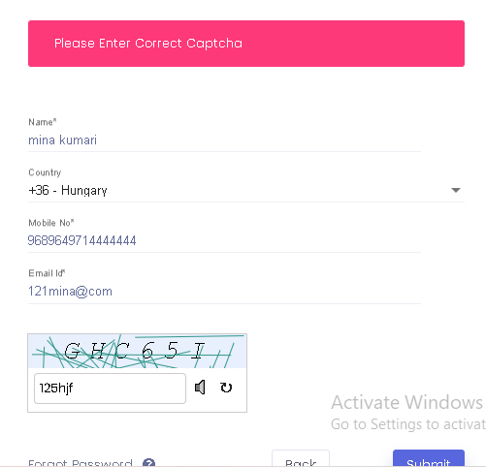
7 | System incorrectly indicates OTP sent despite incorrect email and mobile number inputs. | 1. Open Google Chrome. 2. Navigate to https://testffc.nimapinfotech.com/ 3. Locate and click on the "Sign In" option. 4. Fill in incorrect email and mobile number 5. Click on the submit button. 6. Observe the message indicating OTP sent. | The system should display an error message indicating that the email or mobile number format is incorrect and should not proceed to indicate OTP sent. | The system incorrectly displays OTP sent despite incorrect email and mobile number inputs. | 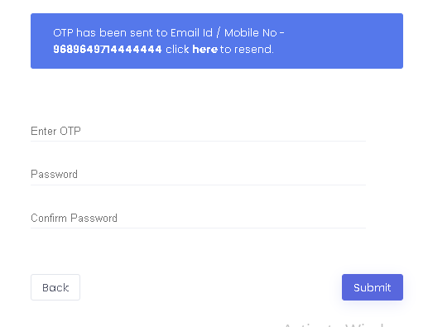
8 | System does not display error messages for both wrong mobile number and incorrect CAPTCHA. | 1. Open Google Chrome. 2. Navigate to https://testffc.nimapinfotech.com/ 3. Locate and click on the "Sign Up" option. 4. Enter a wrong mobile number. 5. Enter an incorrect CAPTCHA. 6. Submit the form. | The system should display error messages indicating that both the mobile number and CAPTCHA are incorrect. | Only an error message for CAPTCHA or mobile number is displayed, not for both. | 